Task
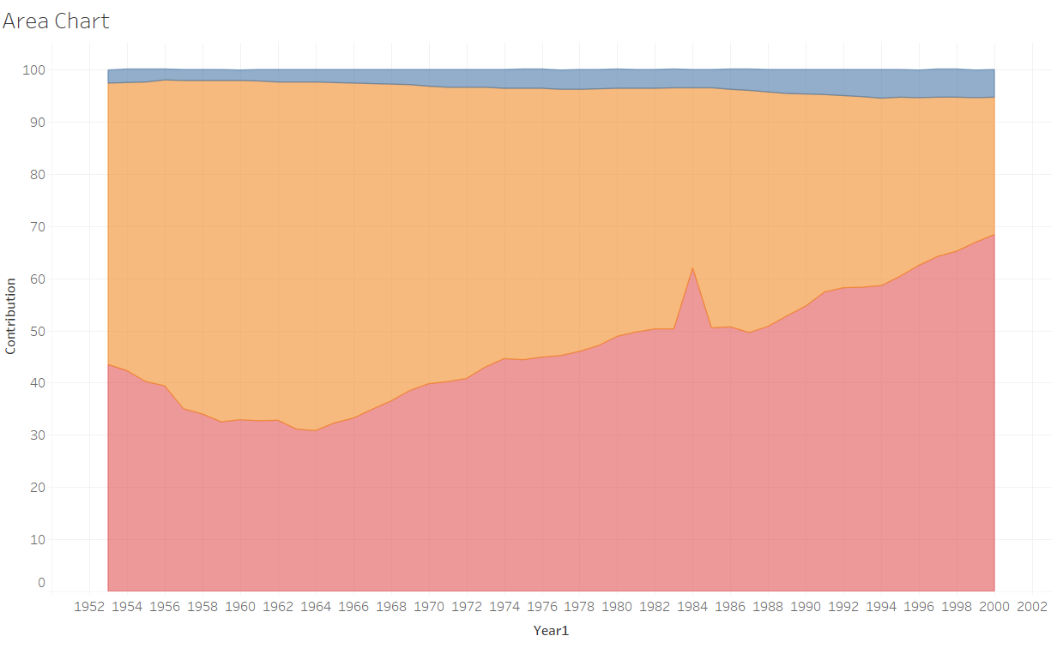
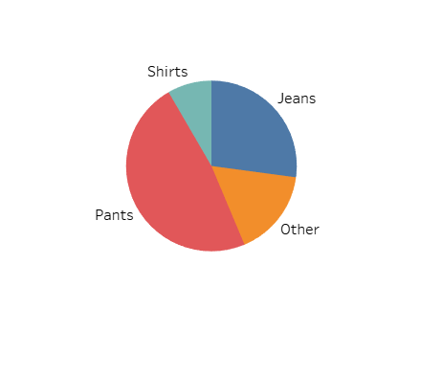
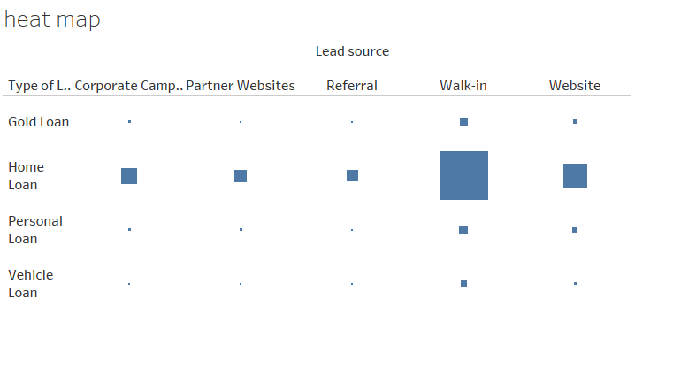
In this exercise, you’ll create three types of charts in Tableau: a pie chart, an area chart, and a heat map. Pie charts show how parts contribute to a whole and are best for a small number of categories. Area charts display trends over time, ideal for showing changes in categories or series. Heat maps visualize data distribution across regions or highlight areas of high concentration with color gradients. Your Tasks: Create a Pie Chart: Use the Pie chart data to build a pie chart. Create an Area Chart: Use the Area chart data to show trends over time. Create a Heat Map: Use the dataset Bug Loan Transaction,Customer Data, Branch Data , Loan Transaction to create a heat map based on Lead Source, Type of Loan, and Sum of Loan.

Your Output should be :

